Sheet1
Characteristics of portfolio (Please provide real numbers instead of percentages. For example, use 0.02 instead of 2%.) |  |  | Monthly Portfolio returns (Please provide real numbers instead of percentages. For example, use 0.02 instead of 2%.)
 | Value-weighted portfolio | Minimum variance portfolio |  | Value-weighted portfolio | Minimum variance portfolio
Annualized average return | 0.073685130281 | 0.083756382873 | Jan-14 | -0.040489473452 | -0.028757090219
Annualized volatility | 0.13198124866 | 0.11898288477 | Feb-14 | 0.023319436994 | 0.052146361345
Annualized cumulative return | 0.066992652107 | 0.07942103757 | Mar-14 | 0.0033717666371 | 0.017242215204
Sharp ratio | 0.4268741817 | 0.55681409754 | Apr-14 | -0.008777486381 | -0.013817419207
Minimum monthly return | -0.11442251197 | -0.14998471784 | May-14 | 0.030593973051 | 0.055162056458
Maximum monthly return | 0.13291616759 | 0.098335926513 | Jun-14 | 0.03366651966 | 0.046506500262
Plot of the cumulative return | (insert your plot here) | (insert your plot here) | Jul-14 | 0.01685100141 | 0.01450294708
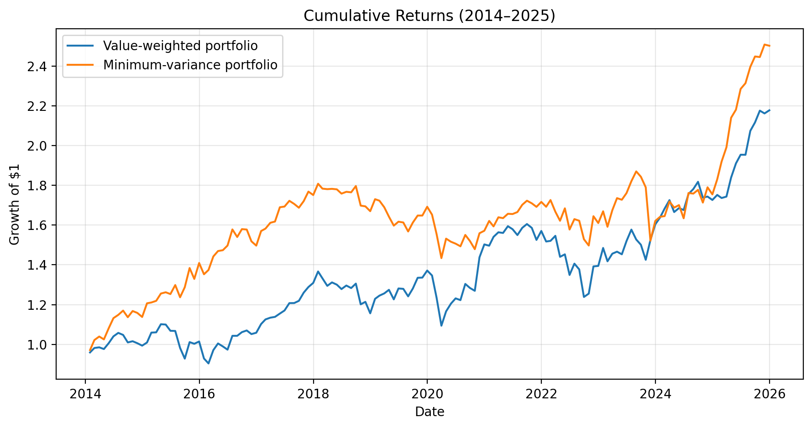
 |  |  | Aug-14 | -0.009684462651 | 0.018712634201
 |  |  | Sep-14 | -0.03605195727 | -0.028444279672
 |  |  | Oct-14 | 0.0059301343489 | 0.027414534607
 |  |  | Nov-14 | -0.0097627373474 | -0.0080810044737
 |  |  | Dec-14 | -0.012194721944 | -0.017700196585
 |  |  | Jan-15 | 0.015868065285 | 0.060434788418
 |  |  | Feb-15 | 0.049423623625 | 0.0034176776629
 |  |  | Mar-15 | 0.0012029148529 | 0.00686043705
 |  |  | Apr-15 | 0.038556978763 | 0.030067159481
 |  |  | May-15 | -0.0015612515201 | 0.0050627392096
 |  |  | Jun-15 | -0.028503569545 | -0.0071085726398
 |  |  | Jul-15 | -0.00077053674697 | 0.036138031727
 |  |  | Aug-15 | -0.080194991515 | -0.047243664399
 |  |  | Sep-15 | -0.054615610322 | 0.040793009808
 |  |  | Oct-15 | 0.089483390427 | 0.075016497349
 |  |  | Nov-15 | -0.0081792480906 | -0.039622735606
 |  |  | Dec-15 | 0.011332234915 | 0.060240984034
 |  |  | Jan-16 | -0.084280950908 | -0.040188352535
 |  |  | Feb-16 | -0.026723141946 | 0.015899661291
 |  |  | Mar-16 | 0.074157780857 | 0.049551256603
 |  |  | Apr-16 | 0.034429845834 | 0.018846733421
 |  |  | May-16 | -0.014927157751 | 0.0029268722266
 |  |  | Jun-16 | -0.016354364217 | 0.015854138435
 |  |  | Jul-16 | 0.071536022393 | 0.054153749118
 |  |  | Aug-16 | 1.2053084351E-05 | -0.024079270306
 |  |  | Sep-16 | 0.017638542559 | 0.025666969578
 |  |  | Oct-16 | 0.0080110409325 | -0.0013180636085
 |  |  | Nov-16 | -0.017057602903 | -0.037590365049
 |  |  | Dec-16 | 0.0064822801295 | -0.014255018126
 |  |  | Jan-17 | 0.041358126372 | 0.049061343422
 |  |  | Feb-17 | 0.021071984595 | 0.0077573793722
 |  |  | Mar-17 | 0.0077328581775 | 0.018494622725
 |  |  | Apr-17 | 0.0035853568402 | 0.0039226660693
 |  |  | May-17 | 0.014541964681 | 0.044377565593
 |  |  | Jun-17 | 0.013454223464 | 0.0021103487023
 |  |  | Jul-17 | 0.031670351091 | 0.017056331019
 |  |  | Aug-17 | 0.0002686130151 | -0.0091514109054
 |  |  | Sep-17 | 0.0092409725393 | -0.011137047501
 |  |  | Oct-17 | 0.033873700241 | 0.019687311326
 |  |  | Nov-17 | 0.02225376187 | 0.027779235109
 |  |  | Dec-17 | 0.016187160166 | -0.0097551985333
 |  |  | Jan-18 | 0.043893351508 | 0.032495145845
 |  |  | Feb-18 | -0.025278348843 | -0.013668386544
 |  |  | Mar-18 | -0.028306047169 | -0.0014156435976
 |  |  | Apr-18 | 0.013406848696 | 0.00084426878367
 |  |  | May-18 | -0.0086397770722 | -0.0013775501598
 |  |  | Jun-18 | -0.017113929428 | -0.012112289729
 |  |  | Jul-18 | 0.013947251329 | 0.0051946775761
 |  |  | Aug-18 | -0.0098411129477 | -0.0014727432503
 |  |  | Sep-18 | 0.01747505828 | 0.017922360586
 |  |  | Oct-18 | -0.079879750056 | -0.054838512211
 |  |  | Nov-18 | 0.010447179975 | -0.0021876665729
 |  |  | Dec-18 | -0.047487284738 | -0.014354066568
 |  |  | Jan-19 | 0.062973878774 | 0.036135234144
 |  |  | Feb-19 | 0.013071419814 | -0.0043330426878
 |  |  | Mar-19 | 0.0089966992894 | -0.019211181662
 |  |  | Apr-19 | 0.014385080657 | -0.028048929977
 |  |  | May-19 | -0.037661844169 | -0.02735399638
 |  |  | Jun-19 | 0.04465900755 | 0.012362958609
 |  |  | Jul-19 | -0.001478025916 | -0.0024646490474
 |  |  | Aug-19 | -0.029532195888 | -0.028001755278
 |  |  | Sep-19 | 0.031696753694 | 0.028468602523
 |  |  | Oct-19 | 0.042225030103 | 0.021992588277
 |  |  | Nov-19 | 0.00066233965569 | -7.0021679654E-05
 |  |  | Dec-19 | 0.026587073301 | 0.026884972864
 |  |  | Jan-20 | -0.018143769991 | -0.023518227331
 |  |  | Feb-20 | -0.082493610815 | -0.05870005795
 |  |  | Mar-20 | -0.11442251197 | -0.078053558495
 |  |  | Apr-20 | 0.065716790891 | 0.068239389209
 |  |  | May-20 | 0.03326311886 | -0.010176407348
 |  |  | Jun-20 | 0.022126715418 | -0.0063960057212
 |  |  | Jul-20 | -0.0071339507917 | -0.0088132513063
 |  |  | Aug-20 | 0.06659854055 | 0.038234346592
 |  |  | Sep-20 | -0.015582118169 | -0.019815046851
 |  |  | Oct-20 | -0.011147110377 | -0.02688439248
 |  |  | Nov-20 | 0.13291616759 | 0.054239544777
 |  |  | Dec-20 | 0.045002895596 | 0.0080359868212
 |  |  | Jan-21 | -0.0043583449855 | 0.031446935764
 |  |  | Feb-21 | 0.029728933237 | -0.017033435268
 |  |  | Mar-21 | 0.014905855545 | 0.028789133167
 |  |  | Apr-21 | -0.0020975648486 | -0.0025472856777
 |  |  | May-21 | 0.021772731935 | 0.013302987897
 |  |  | Jun-21 | -0.0095469709878 | -0.00074250430138
 |  |  | Jul-21 | -0.018654033579 | 0.0060414377218
 |  |  | Aug-21 | 0.023515964737 | 0.021921123023
 |  |  | Sep-21 | 0.012022281374 | 0.012129980155
 |  |  | Oct-21 | -0.011929078937 | -0.0076446259147
 |  |  | Nov-21 | -0.038247916074 | -0.010406641283
 |  |  | Dec-21 | 0.02944009693 | 0.014656739189
 |  |  | Jan-22 | -0.033750442715 | -0.014223390106
 |  |  | Feb-22 | 0.0021500976972 | 0.019959322559
 |  |  | Mar-22 | 0.016649113673 | -0.033979663186
 |  |  | Apr-22 | -0.068312172369 | -0.027336181332
 |  |  | May-22 | 0.0086905145692 | 0.038599265669
 |  |  | Jun-22 | -0.071374868174 | -0.063272615179
 |  |  | Jul-22 | 0.042151140847 | 0.033123108465
 |  |  | Aug-22 | -0.020627399081 | -0.004983523947
 |  |  | Sep-22 | -0.10064638257 | -0.057296944917
 |  |  | Oct-22 | 0.013659512086 | -0.020705516211
 |  |  | Nov-22 | 0.10899049397 | 0.098335926513
 |  |  | Dec-22 | 0.0017977070295 | -0.020833205072
 |  |  | Jan-23 | 0.064703217989 | 0.036671453327
 |  |  | Feb-23 | -0.045105693409 | -0.046573448112
 |  |  | Mar-23 | 0.026980983798 | 0.052369697419
 |  |  | Apr-23 | 0.0069266236328 | 0.036183645462
 |  |  | May-23 | -0.0089675909737 | -0.0046466221922
 |  |  | Jun-23 | 0.045945947625 | 0.019402649713
 |  |  | Jul-23 | 0.037754040955 | 0.033846341113
 |  |  | Aug-23 | -0.031518636599 | 0.027189366741
 |  |  | Sep-23 | -0.017291774338 | -0.014419496674
 |  |  | Oct-23 | -0.050456918507 | -0.028810965972
 |  |  | Nov-23 | 0.06964735185 | -0.14998471784
 |  |  | Dec-23 | 0.051648006738 | 0.065186102034
 |  |  | Jan-24 | 0.02182857619 | 0.013026280115
 |  |  | Feb-24 | 0.027232045244 | 0.0019658269973
 |  |  | Mar-24 | 0.025245878619 | 0.044784719098
 |  |  | Apr-24 | -0.034753897589 | -0.01793986672
 |  |  | May-24 | 0.011965106622 | 0.0074346304388
 |  |  | Jun-24 | -0.0057778663325 | -0.038917880054
 |  |  | Jul-24 | 0.048167254878 | 0.077768579451
 |  |  | Aug-24 | 0.014177625564 | -0.0017083619014
 |  |  | Sep-24 | 0.02043168752 | 0.010777611759
 |  |  | Oct-24 | -0.043882135366 | -0.036042712152
 |  |  | Nov-24 | 0.0031793592638 | 0.044867332426
 |  |  | Dec-24 | -0.0099049363143 | -0.019915379833
 |  |  | Jan-25 | 0.014732810817 | 0.043183936045
 |  |  | Feb-25 | -0.008825849404 | 0.048751800904
 |  |  | Mar-25 | 0.0040340434471 | 0.037373347656
 |  |  | Apr-25 | 0.055065065571 | 0.074659478024
 |  |  | May-25 | 0.03866117694 | 0.019025218768
 |  |  | Jun-25 | 0.022858926404 | 0.047811136932
 |  |  | Jul-25 | -0.00022659041286 | 0.012610418985
 |  |  | Aug-25 | 0.061662950255 | 0.035580348053
 |  |  | Sep-25 | 0.020372289126 | 0.02174138659
 |  |  | Oct-25 | 0.028072689517 | -0.0011449032754
 |  |  | Nov-25 | -0.0064691336779 | 0.025705143476
 |  |  | Dec-25 | 0.0072924309417 | -0.0024336923692

